Cover Page
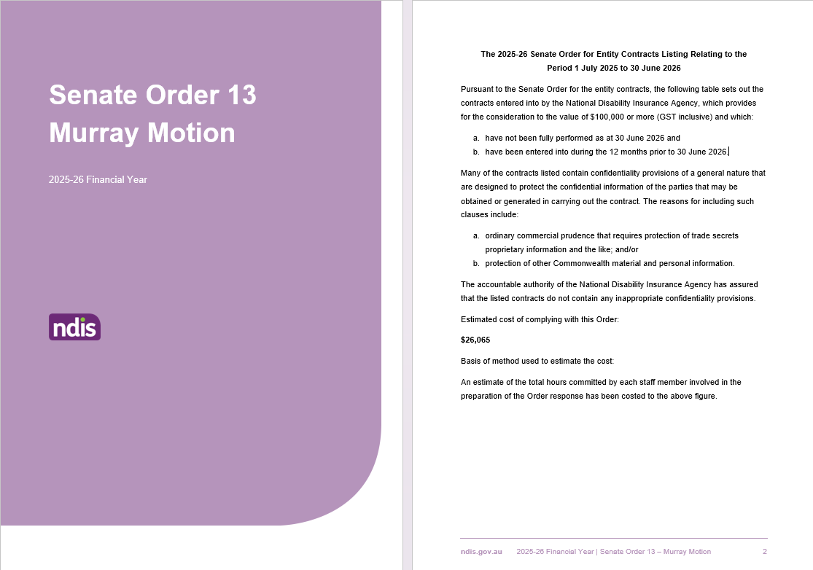
The 2025-26 Senate Order for Entity Contracts Listing Relating to the Period 1 July 2025 to 30 June 2026 Pursuant to the Senate Order for the entity contracts, the following table sets out the contracts entered into by the National Disability Insurance Agency, which provides for the consideration to the value of $100,000 or more (GST inclusive) and which: a. have not been fully performed as at 30 June 2026 and b. have been entered into during the 12 months prior to 30 June 2026. Many of the contracts listed contain confidentiality provisions of a general nature that are designed to protect the confidential information of the parties that may be obtained or generated in carrying out the contract. The reasons for including such clauses include: a. ordinary commercial prudence that requires protection of trade secrets proprietary information and the like; and/or b. protection of other Commonwealth material and personal information. The accountable authority of the National Disability Insurance Agency has assured that the listed contracts do not contain any inappropriate confidentiality provisions. Estimated cost of complying with this Order: $26,065 Basis of method used to estimate the cost: An estimate of the total hours committed by each staff member involved in the preparation of the Order response has been costed to the above figure.

