Appendix B
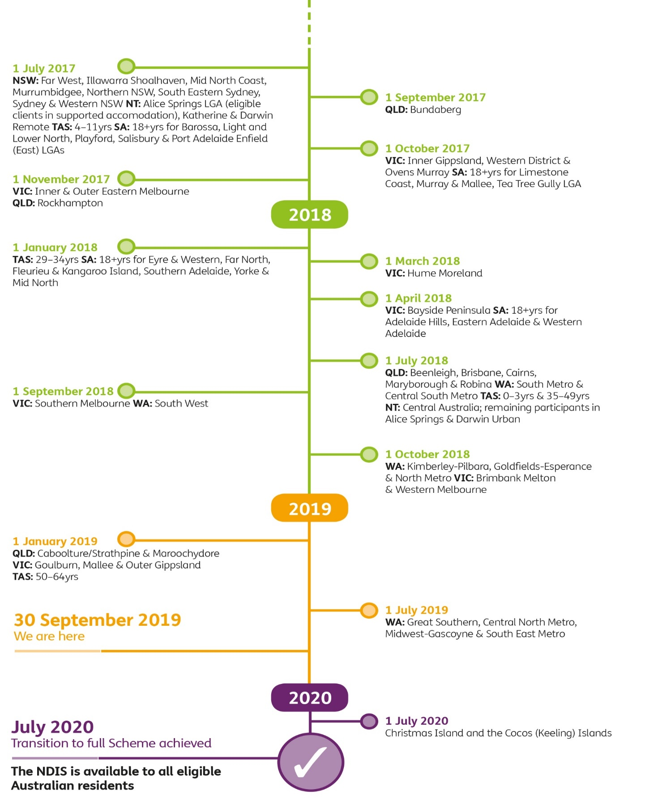
Appendix A:
Appendix B:
Scheme roll-out: Timing and locations

Figure B.1 outlines the timeline and roll-out of the NDIS, including the progress that has been made to date and where the Scheme is being implemented next.

Figure B.1 NDIS roll-out schedule

